REEBOK-Mens
Men's

Image | Body Sketch | Style Name | Style | Style CAT | Color Name | Color Code | Label | Dimpk | Size | MSRP | Units

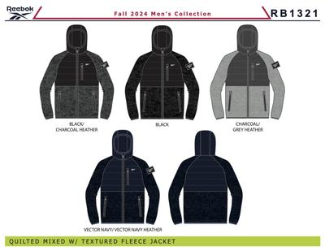 | RB1321 | OMRB1321 TEXTURED JACKET W. QUILTING | OMRB1321 | 0 | BLACK HEATHER | 001AD |  | M6B | MR | $135.00 | 1,374
 |  | OMRB1321 TEXTURED JACKET W. QUILTING | OMRB1321 | 0 | CHARCOAL HEATHER | CHRHR |  | M6B | MR | $135.00 | 600
 |  | OMRB1321 TEXTURED JACKET W. QUILTING | OMRB1321 | 0 | GREY HEATHER | GRYHE |  | M6B | MR | $135.00 | 6
 |  | OMRB1321 TEXTURED JACKET W. QUILTING | OMRB1321 | 0 | NAVY HEATHER | NH |  | M6B | MR | $135.00 | 876
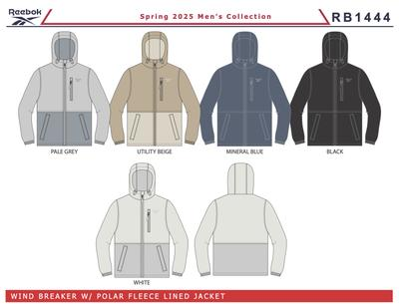 | RB1444 | OMRB1444 WINDBREAKER CORE | OMRB1444 | 0 | BLACK | 001AA | MM | M6D | M | $95.00 | 6,600
 |  | OMRB1444 WINDBREAKER CORE | OMRB1444 | 0 | MINERAL BLUE | BU53 | MM | M6D | M | $95.00 | 1,800
 |  | OMRB1444 WINDBREAKER CORE | OMRB1444 | 0 | PALE GREY | PGRY | MM | M6D | M | $95.00 | 2,220
 |  | OMRB1444 WINDBREAKER CORE | OMRB1444 | 0 | UTILITY BEIGE | UTBE | MM | M6D | M | $95.00 | 2,220
 |  | OMRB1444 WINDBREAKER CORE | OMRB1444 | 0 | WHITE | 01W | MM | M6D | M | $95.00 | 2,388
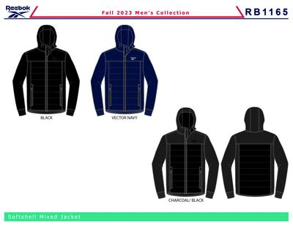 | RB1165 | OMRB1165 SOFT WOVEN JACKET WITH QUILTIN | OMRB1165 | 0 | BLACK | 001AA |  | M6B | MR | $150.00 | 6
 |  | OMRB1165 SOFT WOVEN JACKET WITH QUILTIN | OMRB1165 | 0 | VECTOR NAVY | BU56 |  | M6B | MR | $150.00 | 6
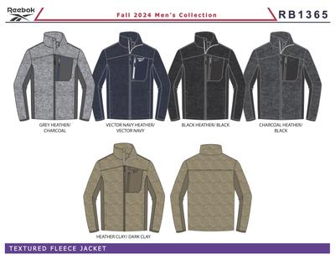 | RB1365 | OMRB1365 TEXTURED JACKET W. SOFT WOVEN | OMRB1365 | 0 | CHARCOAL HEATHER | CCHH |  | M6B | MR | $120.00 | 906
 |  | OMRB1365 TEXTURED JACKET W. SOFT WOVEN | OMRB1365 | 0 | CLAY HTR | CLHR |  | M6B | MR | $120.00 | 2,400
 |  | OMRB1365 TEXTURED JACKET W. SOFT WOVEN | OMRB1365 | 0 | GREY HEATHER | GRYHE |  | M6B | MR | $120.00 | 1,926
 |  | OMRB1365 TEXTURED JACKET W. SOFT WOVEN | OMRB1365 | 0 | NAVY HEATHER | NH |  | M6B | MR | $120.00 | 1,392
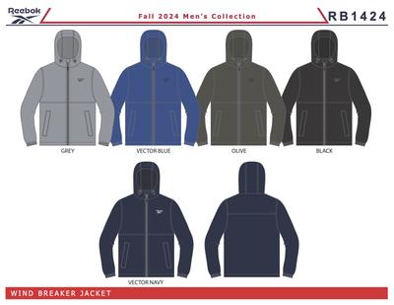 | RB1424 | OMRB1424 WINDBREAKER PF LINED | OMRB1424 | 0 | BLACK | 001AA | EC | DX6M | MR | $95.00 | 90
 |  | OMRB1424 WINDBREAKER PF LINED | OMRB1424 | 0 | BLACK | 001AA | EC | L6M | MR | $95.00 | 234
 |  | OMRB1424 WINDBREAKER PF LINED | OMRB1424 | 0 | BLACK | 001AA | EC | M6M | MR | $95.00 | 138
 |  | OMRB1424 WINDBREAKER PF LINED | OMRB1424 | 0 | BLACK | 001AA | EC | S6M | MR | $95.00 | 66
 |  | OMRB1424 WINDBREAKER PF LINED | OMRB1424 | 0 | BLACK | 001AA | EC | XL6M | MR | $95.00 | 186
 |  | OMRB1424 WINDBREAKER PF LINED | OMRB1424 | 0 | GREY | 01G | EC | DX6M | MR | $95.00 | 30
 |  | OMRB1424 WINDBREAKER PF LINED | OMRB1424 | 0 | GREY | 01G | EC | L6M | MR | $95.00 | 66
 |  | OMRB1424 WINDBREAKER PF LINED | OMRB1424 | 0 | GREY | 01G | EC | M6M | MR | $95.00 | 30
 |  | OMRB1424 WINDBREAKER PF LINED | OMRB1424 | 0 | GREY | 01G | EC | S6M | MR | $95.00 | 18
 |  | OMRB1424 WINDBREAKER PF LINED | OMRB1424 | 0 | GREY | 01G | EC | XL6M | MR | $95.00 | 48
 |  | OMRB1424 WINDBREAKER PF LINED | OMRB1424 | 0 | OLIVE | 11E | EC | DX6M | MR | $95.00 | 24
 |  | OMRB1424 WINDBREAKER PF LINED | OMRB1424 | 0 | OLIVE | 11E | EC | L6M | MR | $95.00 | 66
 |  | OMRB1424 WINDBREAKER PF LINED | OMRB1424 | 0 | OLIVE | 11E | EC | M6M | MR | $95.00 | 30
 |  | OMRB1424 WINDBREAKER PF LINED | OMRB1424 | 0 | OLIVE | 11E | EC | S6M | MR | $95.00 | 12
 |  | OMRB1424 WINDBREAKER PF LINED | OMRB1424 | 0 | OLIVE | 11E | EC | XL6M | MR | $95.00 | 48
 |  | OMRB1424 WINDBREAKER PF LINED | OMRB1424 | 0 | VECTOR BLUE | VTBL | EC | DX6M | MR | $95.00 | 30
 |  | OMRB1424 WINDBREAKER PF LINED | OMRB1424 | 0 | VECTOR BLUE | VTBL | EC | L6M | MR | $95.00 | 66
 |  | OMRB1424 WINDBREAKER PF LINED | OMRB1424 | 0 | VECTOR BLUE | VTBL | EC | M6M | MR | $95.00 | 30
 |  | OMRB1424 WINDBREAKER PF LINED | OMRB1424 | 0 | VECTOR BLUE | VTBL | EC | S6M | MR | $95.00 | 18
 |  | OMRB1424 WINDBREAKER PF LINED | OMRB1424 | 0 | VECTOR BLUE | VTBL | EC | XL6M | MR | $95.00 | 48
 |  | OMRB1424 WINDBREAKER PF LINED | OMRB1424 | 0 | VECTOR NAVY | BU56 | EC | DX6M | MR | $95.00 | 30
 |  | OMRB1424 WINDBREAKER PF LINED | OMRB1424 | 0 | VECTOR NAVY | BU56 | EC | L6M | MR | $95.00 | 66
 |  | OMRB1424 WINDBREAKER PF LINED | OMRB1424 | 0 | VECTOR NAVY | BU56 | EC | M6M | MR | $95.00 | 30
 |  | OMRB1424 WINDBREAKER PF LINED | OMRB1424 | 0 | VECTOR NAVY | BU56 | EC | S6M | MR | $95.00 | 18
 |  | OMRB1424 WINDBREAKER PF LINED | OMRB1424 | 0 | VECTOR NAVY | BU56 | EC | XL6M | MR | $95.00 | 48
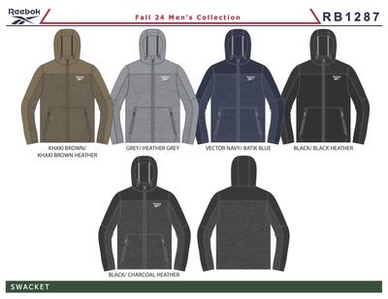 | RB1287 | OMRB1287 SWAK JACKET WITH SOFT WOVEN | OMRB1287 | 0 | BLACK | 001AA | MM | M6D | MR | $120.00 | 2,400
 |  | OMRB1287 SWAK JACKET WITH SOFT WOVEN | OMRB1287 | 0 | CHARCOAL GREY | CHARG | MM | M6D | MR | $120.00 | 2,256
 |  | OMRB1287 SWAK JACKET WITH SOFT WOVEN | OMRB1287 | 0 | DARK KHAKI | 215AA | MM | M6D | MR | $120.00 | 1,206
 | ZXI1 | OMZXI1 REVERSIBLE PUFFER | OMZXI1 | 0 | BLACK/BLACK CAMO | B/BCA |  | L12M | MR | $60.00 | 12
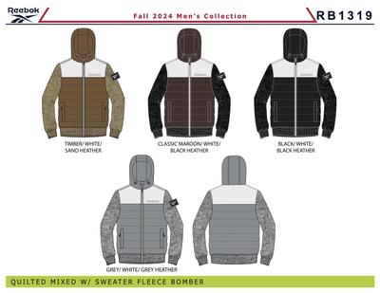 | RB1319 | OMRB1319 PUFFER VEST W/SWTR SLV | OMRB1319 | 0 | BLACK | 001AA |  | M6B | MR | $135.00 | 480
 |  | OMRB1319 PUFFER VEST W/SWTR SLV | OMRB1319 | 0 | GREY | 01G |  | M6B | MR | $135.00 | 480
 |  | OMRB1319 PUFFER VEST W/SWTR SLV | OMRB1319 | 0 | MAROON | 600AH |  | M6B | MR | $135.00 | 720
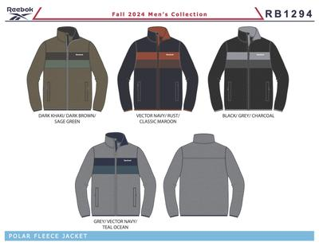 | RB1294 | OMRB1294 POLAR FLEECE | OMRB1294 | 0 | BLACK | 001AA |  | M6B | MR | $80.00 | 3,294
 |  | OMRB1294 POLAR FLEECE | OMRB1294 | 0 | DARK KHAKI | 215AA |  | M6B | MR | $80.00 | 474
 |  | OMRB1294 POLAR FLEECE | OMRB1294 | 0 | GREY | 01G |  | M6B | MR | $80.00 | 1,230
 |  | OMRB1294 POLAR FLEECE | OMRB1294 | 0 | VECTOR NAVY | BU56 |  | M6B | MR | $80.00 | 768
 |  | OMRB1294 POLAR FLEECE | OMRB1294 | 0 | VECTOR NAVY | BU56 | RR | M6M | MR | $80.00 | 6
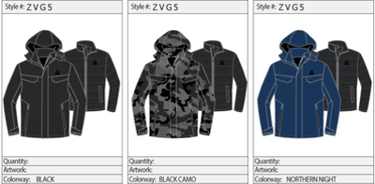 |  | MEN 100% POLY WOVEN JKT | OMZVG5WC | 0 | CHARCOAL | 020AA | WM CAN | L8M | MR |  | 232
 |  | MEN 100% POLY WOVEN JKT | OMZVG5WC | 0 | CHARCOAL | 020AA | WM CAN | M8A | MR |  | 408
 |  | MEN 100% POLY WOVEN JKT | OMZVG5WC | 0 | CHARCOAL | 020AA | WM CAN | M8M | MR |  | 24
 |  | MEN 100% POLY WOVEN JKT | OMZVG5WC | 0 | CHARCOAL | 020AA | WM CAN | S8M | MR |  | 160
 |  | MEN 100% POLY WOVEN JKT | OMZVG5WC | 0 | CHARCOAL | 020AA | WM CAN | XL8M | MR |  | 408
 |  | MEN 100% POLY WOVEN JKT | OMZVG5WC | 0 | CHARCOAL | 020AA | WM CAN | XXL8M | MR |  | 160
 | RB1391 | OMRB1391 POLAR FLEECE W/SOFT WOVEN | OMRB1361 | 0 | BLACK | 001AA | MM | M6D | MR | $90.00 | 6
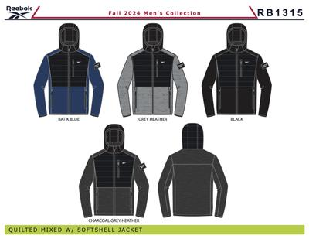 | RB1315 | OMRB1315 SOFT WOVEN JACKET W QUILTIN | OMRB1315 | 0 | BATIK BLUE | BABLU |  | M6B | MR | $140.00 | 474
 |  | OMRB1315 SOFT WOVEN JACKET W QUILTIN | OMRB1315 | 0 | BATIK BLUE | BABLU | MM | M6D | MR | $140.00 | 1,200
 |  | OMRB1315 SOFT WOVEN JACKET W QUILTIN | OMRB1315 | 0 | BLACK | 001AA |  | M6B | MR | $140.00 | 420
 |  | OMRB1315 SOFT WOVEN JACKET W QUILTIN | OMRB1315 | 0 | BLACK | 001AA | MM | M6D | MR | $140.00 | 7,200
 |  | OMRB1315 SOFT WOVEN JACKET W QUILTIN | OMRB1315 | 0 | CHARCOAL HEATHER | CCHH |  | M6B | MR | $140.00 | 900
 |  | OMRB1315 SOFT WOVEN JACKET W QUILTIN | OMRB1315 | 0 | CHARCOAL HEATHER | CCHH | MM | M6D | MR | $140.00 | 1,656
 |  | OMRB1315 SOFT WOVEN JACKET W QUILTIN | OMRB1315 | 0 | GREY HEATHER | GRYHE | MM | M6D | MR | $140.00 | 1,944
 | RB1156 | OMRB1156 STRETCH PUFFER | OMRB1156 | 0 | VECTOR NAVY | BU56 |  | M6B | MR | $165.00 | 30
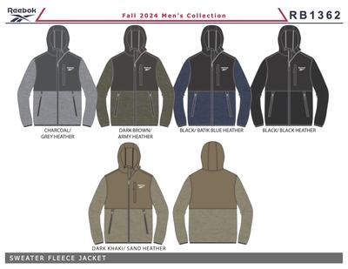 | RB1362 | OMRB1362 CLIMB JACKET | OMRB1362 | 0 | BATIK BLUE | BABLU |  | M6B | MR | $95.00 | 636
 |  | OMRB1362 CLIMB JACKET | OMRB1362 | 0 | BLACK | 001AA |  | M6B | MR | $95.00 | 1,296
 |  | OMRB1362 CLIMB JACKET | OMRB1362 | 0 | CARGO GREEN | CARGN |  | M6B | MR | $95.00 | 1,560
 |  | OMRB1362 CLIMB JACKET | OMRB1362 | 0 | GREY | 01G |  | M6B | MR | $95.00 | 3,234
 |  | OMRB1362 CLIMB JACKET | OMRB1362 | 0 | SAND | 25B |  | M6B | MR | $95.00 | 1,236
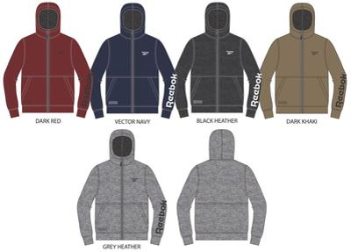 | RB1396
 |  | OMRB1396 ZIP FRT HOODIE | OMRB1396 | 0 | BLACK | 001AA |  | M6A | MR | $60.00 | 2,922
 |  | OMRB1396 ZIP FRT HOODIE | OMRB1396 | 0 | BLACK | 001AA | GB | M6A | MR | $60.00 | 54
 |  | OMRB1396 ZIP FRT HOODIE | OMRB1396 | 0 | DARK KHAKI | 215AA |  | M6A | MR | $60.00 | 930
 |  | OMRB1396 ZIP FRT HOODIE | OMRB1396 | 0 | GREY HEATHER | GRYHE |  | M6A | MR | $60.00 | 1,458
 |  | OMRB1396 ZIP FRT HOODIE | OMRB1396 | 0 | VECTOR NAVY | BU56 |  | M6A | MR | $60.00 | 306
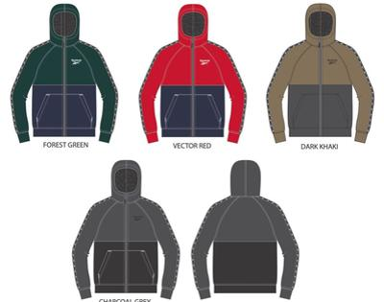 | RB1409 | OMRB1409 ZIP FRT HOODIE | OMRB1409 | 0 | DARK KHAKI | 215AA |  | M6A | MR | $60.00 | 1,698
 |  | OMRB1409 ZIP FRT HOODIE | OMRB1409 | 0 | FOREST GREEN | FGRN |  | M6A | MR | $60.00 | 378
 |  | OMRB1409 ZIP FRT HOODIE | OMRB1409 | 0 | FOREST GREEN | FGRN | RS | M6A | MR | $60.00 | 2,796
 |  | OMRB1409 ZIP FRT HOODIE | OMRB1409 | 0 | VECTOR RED | RD94 |  | M6A | MR | $60.00 | 336
 | RB1176 | OMRB1176 PUFFER | OMRB1176 | 0 | BLACK | 001AA | R1 | M6D | MR | $165.00 | 54
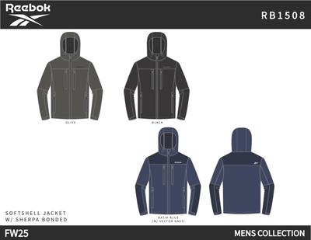 | RB1508 | OMRB1508 SOFT WOVEN JKT W SHERPA LINED | OMRB1508 | 0 | BATIK BLUE | BABLU |  | M6D | M | $140.00 | 2,700
 |  | OMRB1508 SOFT WOVEN JKT W SHERPA LINED | OMRB1508 | 0 | BLACK | 001AA |  | M6D | M | $140.00 | 6,780
 |  | OMRB1508 SOFT WOVEN JKT W SHERPA LINED | OMRB1508 | 0 | OLIVE | 11E |  | M6D | M | $140.00 | 1,680
 | RB1430 | OMRB1430 LIGHT WEIGHT | OMRB1430 | 0 | UTILITY BEIGE | UTBE |  | M6D | M | $125.00 | 534
 | RB1369 | OMRB1369 GLACIER SHIELD JACKET | OMRB1369 | 0 | DARK KHAKI | 215AA | RE | L6M | MR | $135.00 | 24
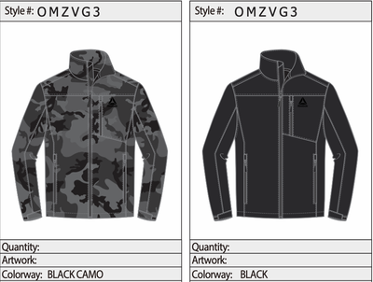 |  | MEN 100% POLY WOVEN JKT | OMZVG3WC | 0 | BLACK CAMO | BC | WM CAN | L8M | MR |  | 128
 |  | MEN 100% POLY WOVEN JKT | OMZVG3WC | 0 | BLACK CAMO | BC | WM CAN | M8A | MR |  | 112
 |  | MEN 100% POLY WOVEN JKT | OMZVG3WC | 0 | BLACK CAMO | BC | WM CAN | M8M | MR |  | 96
 |  | MEN 100% POLY WOVEN JKT | OMZVG3WC | 0 | BLACK CAMO | BC | WM CAN | S8M | MR |  | 64
 |  | MEN 100% POLY WOVEN JKT | OMZVG3WC | 0 | BLACK CAMO | BC | WM CAN | XL8M | MR |  | 128
 |  | MEN 100% POLY WOVEN JKT | OMZVG3WC | 0 | BLACK CAMO | BC | WM CAN | XXL8M | MR |  | 48
 |  | MEN 100% POLY WOVEN JKT | OMZVG3WC | 0 | BLACK | 001AA | WM CAN | L8M | MR |  | 328
 |  | MEN 100% POLY WOVEN JKT | OMZVG3WC | 0 | BLACK | 001AA | WM CAN | M8M | MR |  | 328
 |  | MEN 100% POLY WOVEN JKT | OMZVG3WC | 0 | BLACK | 001AA | WM CAN | S8M | MR |  | 160
 |  | MEN 100% POLY WOVEN JKT | OMZVG3WC | 0 | BLACK | 001AA | WM CAN | XL8M | MR |  | 488
 |  | MEN 100% POLY WOVEN JKT | OMZVG3WC | 0 | BLACK | 001AA | WM CAN | XXL8M | MR |  | 160
 | RB1012 | MENS 100% POLYESTER WOVEN 600MM PU COATED WR JCKET | OMRB1012R4 | 0 | BLACK CAMO/BLACK | BCB |  | MQ2 | MR | $165.00 | 60
 | RB946 | OMRB946GBH WOVEN 600MM PU COATED WR JCKET | OMRB946GBH | 0 | BLACK | 001AA | C | M12B | MR | $165.00 | 11
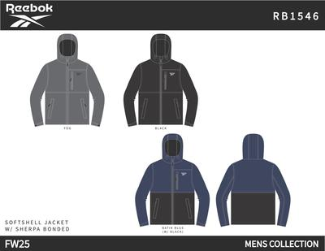 | RB1546 | OMRB1546 SOFT WOVEN JKT W SHERPA LINED | OMRB1546 | 0 | BATIK BLUE | BABLU |  | M6D | M | $140.00 | 300
 |  | OMRB1546 SOFT WOVEN JKT W SHERPA LINED | OMRB1546 | 0 | BLACK | 001AA |  | M6D | M | $140.00 | 1,800
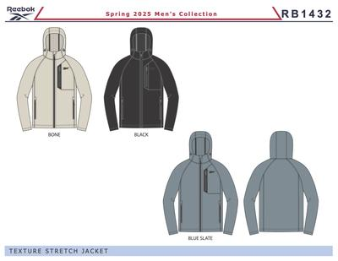 | RB1432 | OMRB1432 TEXTURED JACKET | OMRB1432 | 0 | BLACK | 001AA |  | M6D | M | $125.00 | 1,440
 |  | OMRB1432 TEXTURED JACKET | OMRB1432 | 0 | BLUE SLATE | BLSLA |  | M6D | M | $125.00 | 696
 |  | OMRB1432 TEXTURED JACKET | OMRB1432 | 0 | BONE | BONE |  | M6D | M | $125.00 | 330
 |  | OMRB1432 TEXTURED JACKET | OMRB1432 | 0 | BONE | BONE | BU | M6D | M | $125.00 | 4,752
 | RB1072 | OMRB1072 PACKABLE JACKET | OMRB1072 | 0 | BLACK | 001AA |  | LMEN05 | MR | $165.00 | 5
 | RB1638 | OMRB1638 GLACIER SHIELD W SP LINED | OMRB1638 | 0 | BLACK | 001AA |  | M6D | M | $135.00 | 6
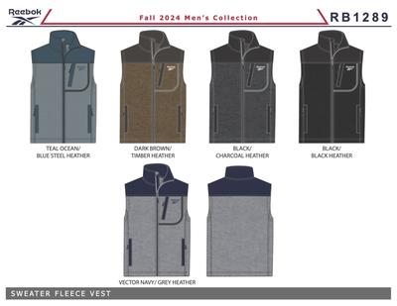 | RB1289 | OMRB1289 CLIMB JACKET VEST | OMRB1289 | 0 | BLACK | 001AA |  | M6B | MR | $85.00 | 1,596
 |  | OMRB1289 CLIMB JACKET VEST | OMRB1289 | 0 | BLUE SLATE | BLSLA |  | M6B | MR | $85.00 | 936
 |  | OMRB1289 CLIMB JACKET VEST | OMRB1289 | 0 | CHARCOAL HEATHER | CCHH |  | M6B | MR | $85.00 | 696
 |  | OMRB1289 CLIMB JACKET VEST | OMRB1289 | 0 | GREY HEATHER | GRYHE |  | M6B | MR | $85.00 | 1,596
 |  | OMRB1289 CLIMB JACKET VEST | OMRB1289 | 0 | TIMBER | TIMBE |  | M6B | MR | $85.00 | 1,596
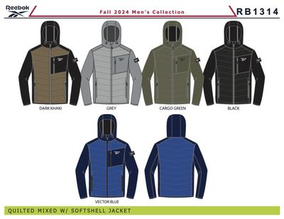 | RB1314 | OMRB1314 SOFT WOVEN JACKET W/ QUILTIN | OMRB1314 | 0 | BLACK | 001AA |  | M6B | MR | $140.00 | 840
 |  | OMRB1314 SOFT WOVEN JACKET W/ QUILTIN | OMRB1314 | 0 | VECTOR BLUE | VTBL |  | M6B | MR | $140.00 | 336
 | RB1367 | OMRB1367 WINDBREAKER PF LINED | OMRB1367 | 0 | BLACK | 001AA |  | M6B | MR | $95.00 | 11,634
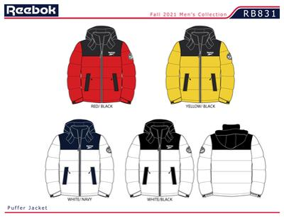 | RB831 | RB831D WR JCKET | OMRB831D | 0 | WHITE/BLACK | 02W | NR | 2XL | MR | $145.00 | 12
 |  | RB831D WR JCKET | OMRB831D | 0 | WHITE/BLACK | 02W | NRF | 2XL | MR | $145.00 | 6
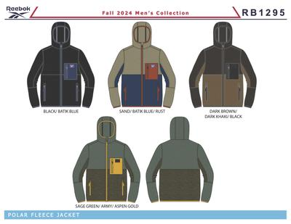 | RB1295 | OMRB1295 POLAR FLEECE | OMRB1295 | 0 | BLACK | 001AA |  | M6B | MR | $80.00 | 11,550
 |  | OMRB1295 POLAR FLEECE | OMRB1295 | 0 | BLACK | 001AA | R4 | M6D | MR | $80.00 | 2,994
 |  | OMRB1295 POLAR FLEECE | OMRB1295 | 0 | DK BROWN | DBR | R5 | M6D | MR | $80.00 | 2,664
 |  | OMRB1295 POLAR FLEECE | OMRB1295 | 0 | SAGE GREEN | SAGN |  | M6B | MR | $80.00 | 2,214
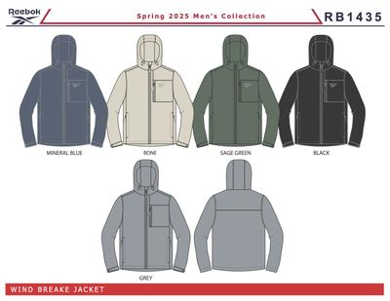 | RB1435 | OMRB1435 WINDBREAKER CORE | OMRB1435 | 0 | BLACK | 001AA | MM | M6D | M | $95.00 | 8,640
 |  | OMRB1435 WINDBREAKER CORE | OMRB1435 | 0 | MINERAL BLUE | BU53 | MM | M6D | M | $95.00 | 1,620
 |  | OMRB1435 WINDBREAKER CORE | OMRB1435 | 0 | SAGE GREEN | SAGN | MM | M6D | M | $95.00 | 1,626
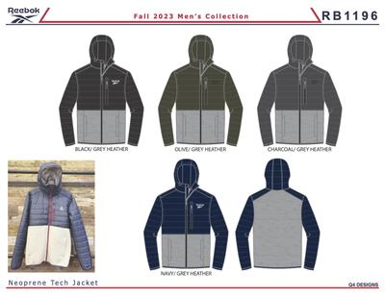 | RB1196 | OMRB1196 TEXTURED JACKET W. QUILTING | OMRB1196 | 0 | CHARCOAL/GREY HEATHER | CGHR | MM | M6B | MR | $115.00 | 6
 |  | OMRB1196 TEXTURED JACKET W. QUILTING | OMRB1196 | 0 | NAVY/GREY HEATHER | NGHR | MM | M6B | MR | $115.00 | 6
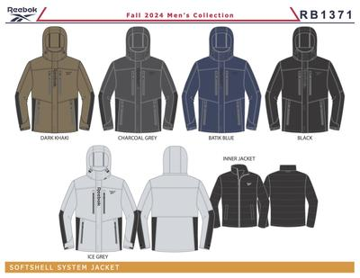 | RB1371 | OMRB1371 SOFTSHELL SYSTEM JACKET | OMRB1371 | 0 | BLACK | 001AA | DH | DX6M | MR | $240.00 | 36
 |  | OMRB1371 SOFTSHELL SYSTEM JACKET | OMRB1371 | 0 | BLACK | 001AA | DH | L6M | MR | $240.00 | 72
 |  | OMRB1371 SOFTSHELL SYSTEM JACKET | OMRB1371 | 0 | BLACK | 001AA | DH | XL6M | MR | $240.00 | 84
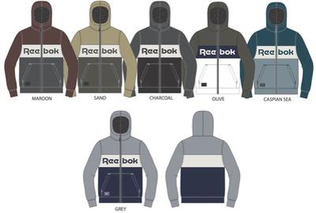 | RB1398 | OMRB1398 ZIP FRT HOODIE | OMRB1398 | 0 | CASPIAN SEA | CAPS |  | M6A | MR | $60.00 | 654
 |  | OMRB1398 ZIP FRT HOODIE | OMRB1398 | 0 | CHARCOAL | 10G |  | M6A | MR | $60.00 | 1,590
 |  | OMRB1398 ZIP FRT HOODIE | OMRB1398 | 0 | CHARCOAL | 10G | GB | M6A | MR | $60.00 | 156
 |  | OMRB1398 ZIP FRT HOODIE | OMRB1398 | 0 | GREY | 01G |  | M6A | MR | $60.00 | 702
 |  | OMRB1398 ZIP FRT HOODIE | OMRB1398 | 0 | MAROON | 600AH |  | M6A | MR | $60.00 | 114
 |  | OMRB1398 ZIP FRT HOODIE | OMRB1398 | 0 | OLIVE | 330AA |  | M6A | MR | $60.00 | 360
 |  | OMRB1398 ZIP FRT HOODIE | OMRB1398 | 0 | SAND | 25B |  | M6A | MR | $60.00 | 270
 |  | OMRB1398 ZIP FRT HOODIE | OMRB1398 | 0 | SAND | 25B | GB | M6A | MR | $60.00 | 84
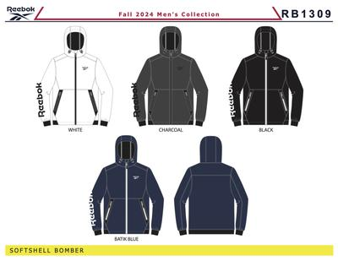 | RB1309 | OMRB1309 SOFT WOVEN JACKET | OMRB1309 | 0 | BATIK BLUE | BABLU |  | M6B | MR | $120.00 | 336
 |  | OMRB1309 SOFT WOVEN JACKET | OMRB1309 | 0 | CHARCOAL GREY | CHARG |  | M6B | MR | $120.00 | 276
 | RB1370 | OMRB1370 STRETCH PUFFER | OMRB1370 | 0 | SAGE GREEN | SAGN |  | M6B | MR | $160.00 | 30
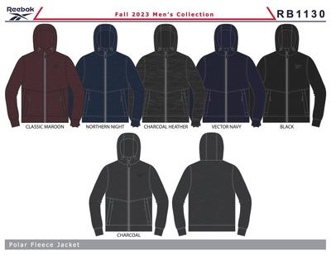 | RB1418 | OMRB1418 POLAR FLEECE | OMRB1418 | 0 | CHARCOAL GREY | CHARG | R5 | M6D | MR | $80.00 | 2,964
 |  | OMRB1418 POLAR FLEECE | OMRB1418 | 0 | MAROON | 600AH | R5 | M6D | MR | $80.00 | 2,964
 |  | OMRB1418 POLAR FLEECE | OMRB1418 | 0 | VECTOR NAVY | BU56 | R5 | M6D | MR | $80.00 | 2,964
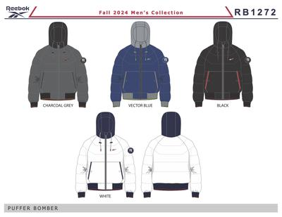 | RB1272 | OMRB1272 RIB BOTTOM PUFFER | OMRB1272 | 0 | BLACK | 001AA | RE | XL6M | MR | $160.00 | 6
 |  | OMRB1272 RIB BOTTOM PUFFER | OMRB1272 | 0 | WHITE | 01W |  | M6B | MR | $160.00 | 54
 | RB1204 | OMRB1204 SOFT WOVEN SYSTEM JACKET | OMRB1204 | 0 | PURE GREY HEATHER | PGH |  | M6B | MR | $180.00 | 6
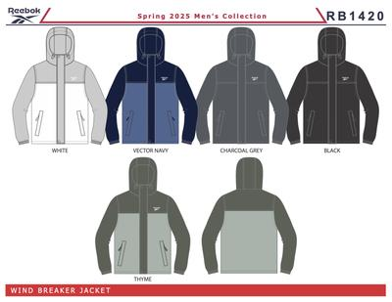 | RB1420 | OMRB1420 WINDBREAKER | OMRB1420 | 0 | CHARCOAL GREY | CHARG |  | M6D | M | $95.00 | 588
 |  | OMRB1420 WINDBREAKER | OMRB1420 | 0 | THYME | TYM |  | M6D | M | $95.00 | 876
 |  | OMRB1420 WINDBREAKER | OMRB1420 | 0 | VECTOR NAVY | BU56 |  | M6D | M | $95.00 | 840
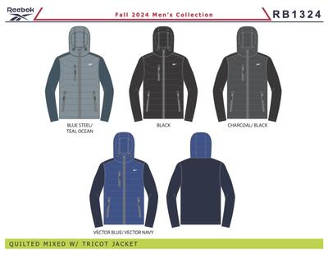 | RB1324 | OMRB1324 PUFFER VEST W/SWTR SLV | OMRB1324 | 0 | BLACK | 001AA |  | M6B | MR | $135.00 | 8,640
 |  | OMRB1324 PUFFER VEST W/SWTR SLV | OMRB1324 | 0 | BLUE SLATE | BLSLA |  | M6B | MR | $135.00 | 720
 |  | OMRB1324 PUFFER VEST W/SWTR SLV | OMRB1324 | 0 | CHARCOAL GREY | CHARG |  | M6B | MR | $135.00 | 240
 |  | OMRB1324 PUFFER VEST W/SWTR SLV | OMRB1324 | 0 | VECTOR BLUE | VTBL |  | M6B | MR | $135.00 | 1,320
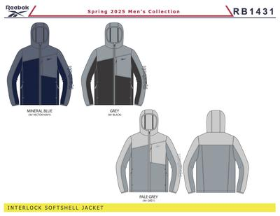 | RB1431 | OMRB1431 SOFTSHELL JACKET | OMRB1431 | 0 | GREY | 01G |  | M6D | M | $120.00 | 1,020
 |  | OMRB1431 SOFTSHELL JACKET | OMRB1431 | 0 | MINERAL BLUE | BU53 |  | M6D | M | $120.00 | 420
 |  | OMRB1431 SOFTSHELL JACKET | OMRB1431 | 0 | PALE GREY | PGRY |  | M6D | M | $120.00 | 414
 | RB1421 | OMRB1421 WINDBREAKER CORE | OMRB1421 | 0 | CLOUDY BLUE | CLB |  | M6D | M | $95.00 | 456
 | OMRB1407 | OMRB1407 SHERPA ZIP FRT FLC HOODIE | OMRB1407 | 0 | MEERKAT | MEER |  | M12A | MR | $80.00 | 792
 |  | OMRB1107 SOFT WOVEN JACKET WITH QUILTIN | OMRB1107 | 0 | CHARCOAL HEATHER/BLACK | CHH/B |  | M6B | MR | $150.00 | 24
 |  | OMRB1107 SOFT WOVEN JACKET WITH QUILTIN | OMRB1107 | 0 | PURE GREY HEATHER/CHARCOAL | PUGHC |  | DX6M | MR | $150.00 | 18
 |  | OMRB1107 SOFT WOVEN JACKET WITH QUILTIN | OMRB1107 | 0 | PURE GREY HEATHER/CHARCOAL | PUGHC |  | L6M | MR | $150.00 | 36
 |  | OMRB1107 SOFT WOVEN JACKET WITH QUILTIN | OMRB1107 | 0 | PURE GREY HEATHER/CHARCOAL | PUGHC |  | M6B | MR | $150.00 | 90
 |  | OMRB1107 SOFT WOVEN JACKET WITH QUILTIN | OMRB1107 | 0 | PURE GREY HEATHER/CHARCOAL | PUGHC |  | M6M | MR | $150.00 | 18
 |  | OMRB1107 SOFT WOVEN JACKET WITH QUILTIN | OMRB1107 | 0 | PURE GREY HEATHER/CHARCOAL | PUGHC |  | XL6M | MR | $150.00 | 36
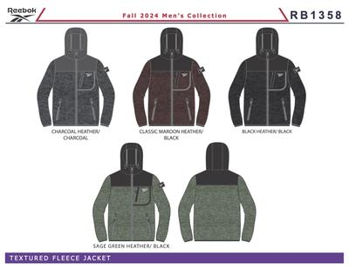 | RB1358 | OMRB1358 TEXTURED JACKET W. SOFT WOVEN | OMRB1358 | 0 | BLACK | 001AA |  | M6B | MR | $120.00 | 7,596
 |  | OMRB1358 TEXTURED JACKET W. SOFT WOVEN | OMRB1358 | 0 | BLACK | 001AA | MM | M6D | MR | $120.00 | 2,400
 |  | OMRB1358 TEXTURED JACKET W. SOFT WOVEN | OMRB1358 | 0 | CHARCOAL HEATHER | CCHH |  | M6B | MR | $120.00 | 2,400
 |  | OMRB1358 TEXTURED JACKET W. SOFT WOVEN | OMRB1358 | 0 | CHARCOAL HEATHER | CCHH | MM | M6D | MR | $120.00 | 1,800
 |  | OMRB1358 TEXTURED JACKET W. SOFT WOVEN | OMRB1358 | 0 | GREY HEATHER | GRYHE |  | M6B | MR | $120.00 | 1,926
 |  | OMRB1358 TEXTURED JACKET W. SOFT WOVEN | OMRB1358 | 0 | GREY HEATHER | GRYHE | MM | M6D | MR | $120.00 | 1,800
 |  | OMRB1358 TEXTURED JACKET W. SOFT WOVEN | OMRB1358 | 0 | MAROON | 600AH |  | M6B | MR | $120.00 | 1,800
 |  | OMRB1358 TEXTURED JACKET W. SOFT WOVEN | OMRB1358 | 0 | SAGE GREEN | SAGN |  | M6B | MR | $120.00 | 2,394
 |  | OMRB1358 TEXTURED JACKET W. SOFT WOVEN | OMRB1358 | 0 | SAGE GREEN | SAGN | MM | M6D | MR | $120.00 | 1,200
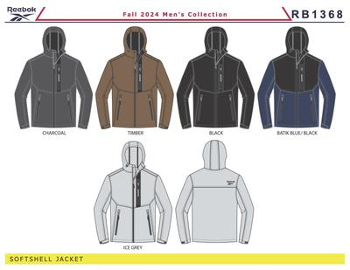 | RB1368 | OMRB1368 SOFT WOVEN JACKET | OMRB1368 | 0 | BLACK | 001AA | DH | DX6M | MR | $120.00 | 18
 |  | OMRB1368 SOFT WOVEN JACKET | OMRB1368 | 0 | BLACK | 001AA | DH | M6M | MR | $120.00 | 234
 |  | OMRB1368 SOFT WOVEN JACKET | OMRB1368 | 0 | CHARCOAL GREY | CHARG | DH | M6M | MR | $120.00 | 144
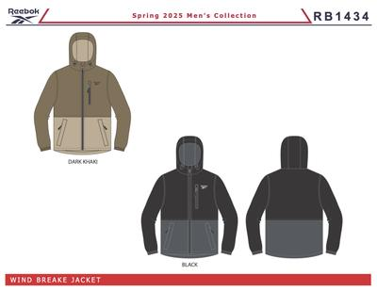 | RB1434 | OMRB1434 LIGHT WEIGHT | OMRB1434 | 0 | BLACK | 001AA |  | M6D | M | $125.00 | 3,540
 |  | OMRB1434 LIGHT WEIGHT | OMRB1434 | 0 | DARK KHAKI | 215AA |  | M6D | M | $125.00 | 2,100
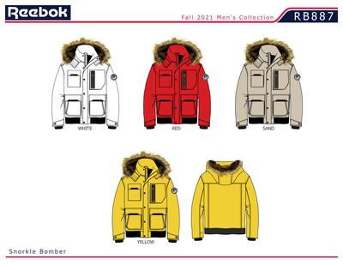 | RB887 | MENS 100% POLYESTER WOVEN 600MM PU COATED WR JCKET | OMRB887D | 0 | SAND | 25B |  | 2XL | MR | $150.00 | 1
 |  | MENS 100% POLYESTER WOVEN 600MM PU COATED WR JCKET | OMRB887D | 0 | SAND | 25B |  | L | MR | $150.00 | 2
 |  | MENS 100% POLYESTER WOVEN 600MM PU COATED WR JCKET | OMRB887D | 0 | SAND | 25B |  | M | MR | $150.00 | 1
 |  | MENS 100% POLYESTER WOVEN 600MM PU COATED WR JCKET | OMRB887D | 0 | SAND | 25B |  | XL | MR | $150.00 | 2
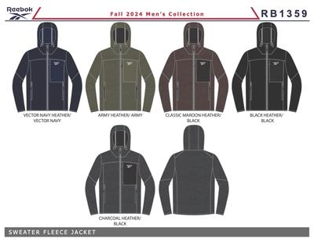 | RB1359 | OMRB1359 CLIMB JACKET | OMRB1359 | 0 | BLACK | 001AA |  | M6B | MR | $95.00 | 9,672
 |  | OMRB1359 CLIMB JACKET | OMRB1359 | 0 | CARGO GREEN | CARGN |  | M6B | MR | $95.00 | 1,344
 |  | OMRB1359 CLIMB JACKET | OMRB1359 | 0 | CHARCOAL HEATHER | CCHH |  | M6B | MR | $95.00 | 1,926
 |  | OMRB1359 CLIMB JACKET | OMRB1359 | 0 | MAROON | 600AH |  | M6B | MR | $95.00 | 2,340
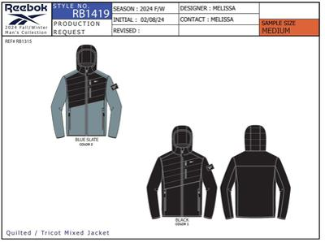 | RB1419 | OMRB1419 TRICOT W QUILTING | OMRB1419 | 0 | BLACK | 001AA | MM | M6D | MR | $95.00 | 2,400
 |  | OMRB1419 TRICOT W QUILTING | OMRB1419 | 0 | SOFT BLUE | SFBL | MM | M6D | MR | $95.00 | 1,200
 |  |  |  |  |  |  |  |  |  |  | 225,868

REEBOK-Womens
 | Women's

 | Image | Body Sketch |  | Style Name | Style | Style CAT | Color Name | Color Code | Dimpk | Size | MSRP | Units
Total
-
 | 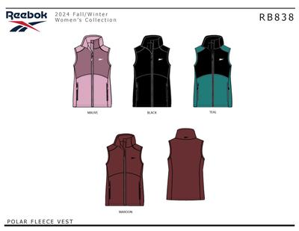 | RB838 | BCOLRB838BLACKLRL06A | OLRB838 POLAR FLEECE VEST | OLRB838 | 0 | BLACK | 001AA | L06A | LR | $70.00 | 1,002
 |  |  | BCOLRB838MAROONLRL06A | OLRB838 POLAR FLEECE VEST | OLRB838 | 0 | MAROON | 600AH | L06A | LR | $70.00 | 1,062
 |  |  | BCOLRB838TEALLRL06A | OLRB838 POLAR FLEECE VEST | OLRB838 | 0 | TEAL | TEAL | L06A | LR | $70.00 | 1,764
 | 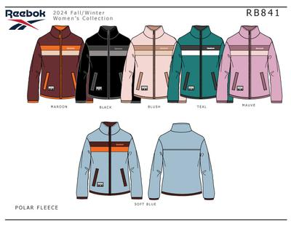 | RB841 | BCOLRB841BLACKLRL06A | OLRB841 POLAR FLEECE | OLRB841 | 0 | BLACK | 001AA | L06A | LR | $80.00 | 2,736
 |  |  | BCOLRB841MAROONLRL06A | OLRB841 POLAR FLEECE | OLRB841 | 0 | MAROON | 600AH | L06A | LR | $80.00 | 2,160
 |  |  | BCOLRB841SOFT BLUELRL06A | OLRB841 POLAR FLEECE | OLRB841 | 0 | SOFT BLUE | SFBL | L06A | LR | $80.00 | 936
 |  |  | BCOLRB841TEALLRL06A | OLRB841 POLAR FLEECE | OLRB841 | 0 | TEAL | TEAL | L06A | LR | $80.00 | 600
 |  |  |  |  |  |  |  |  |  |  |  | 10,260

